LAGRANGE
$$\sum_{i=0}^{n}{\prod_{\begin{aligned}j=0 \\ j ≠i\end{aligned}}^{n}{\frac{x−xj}{xi −xj}}}∗f\left(xi\right)$$
i | xi | f(xi) |  | Rumus
0 | 1 | 0 |  | fi(x)
1 | 4 | 1.3862943611
2 | 6 | 1.7917594692
 |  |  |  | f1(x) | (((xyangdicari - x1)/(x0-x1))*f(x0))+(((xyangdicari - x0) / (x1-x0))*f(x1))
 | 2 | f1(x) | 0.46209812037 | dst
 |  | f2(x) | 0.5658443469

Heun's
y' = 4e^(0.8*x) -0.5 * y
 |  |  |  |  |  |  |  | Rumus2

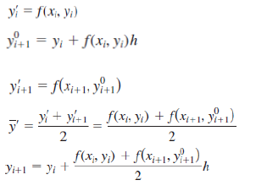
0 | 0 |  | 2 |  | 3
1 | 1 |  | 6.701081857 | 5 | 5.5516227855 | 6.402163714
2 | 2 |  | 16.319781938 | 12.252704642 | 11.652238729 | 13.685777376
3 | 3 |  | 37.199248897 | 27.972020667 | 25.493081074 | 30.106695189
4 | 4 |  | 83.337767335 | 62.692329971 | 56.461237121 | 66.783955803

y = -0.5x^4 + 4x ^ 3 - 10x^2 + 8.5x + 1
f(x,y) = -2x^3 + 12x^2 - 20x + 8.5

i | X | Ytrue | Y | Y0 | Y'i = f(Xi,Yi) | f(Xi,Yi0) | Et
0 | 0 | 1 | 1 |  | 8.5
1 | 0.5 | 3.21875 | 3.4375 | 4.75 | 1.25 | 1.25 | 7%
2 | 1 | 3 | 3.375 | 1.625 | -1.5 | -1.5 | 13%
3 | 1.5 | 2.21875 | 2.6875 | 0.75 | -1.25 | -1.25 | 21%
4 | 2 | 2 | 2.5 | 1.375 | 0.5 | 0.5 | 25%
5 | 2.5 | 2.71875 | 3.1875 | 2.75 | 2.25 | 2.25 | 17%
6 | 3 | 4 | 4.375 | 4.125 | 2.5 | 2.5 | 9%
7 | 3.5 | 4.71875 | 4.9375 | 4.75 | -0.25 | -0.25 | 5%
8 | 4 | 3 | 3 | 3.875 | -7.5 | -7.5 | 0%

Midpoint
y = -0.5x^4 + 4x ^ 3 - 10x^2 + 8.5x + 1 |  |  |  |  |  |  | Rumus2
f(x,y) = -2x^3 + 12x^2 - 20x + 8.5
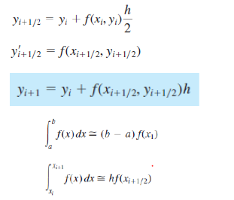
i | X | xi+1/2*h | Yi | Yi+1/2*h | f(xi,yi) | f(xi+1/2,yi+1/2)
0 | 0 | 0.25 | 1 | 3.125 | 8.5 | 4.21875
1 | 0.5 | 0.75 | 3.109375 | 3.421875 | 1.25 | -0.59375
2 | 1 | 1.25 | 2.8125 | 2.4375 | -1.5 | -1.65625
3 | 1.5 | 1.75 | 1.984375 | 1.671875 | -1.25 | -0.46875
4 | 2 | 2.25 | 1.75 | 1.875 | 0.5 | 1.46875
5 | 2.5 | 2.75 | 2.484375 | 3.046875 | 2.25 | 2.65625
6 | 3 | 3.25 | 3.8125 | 4.4375 | 2.5 | 1.59375
7 | 3.5 | 3.75 | 4.609375 | 4.546875 | -0.25 | -3.21875
8 | 4 | 4.25 | 3 | 1.125 | -7.5 | -13.28125

